Assignment
UserDetailsB | Refer to the previous HTML created in Day3. The end-user should be able to input the Japanese text directly into the text-boxes. Print these values to the console & also save them into the database.

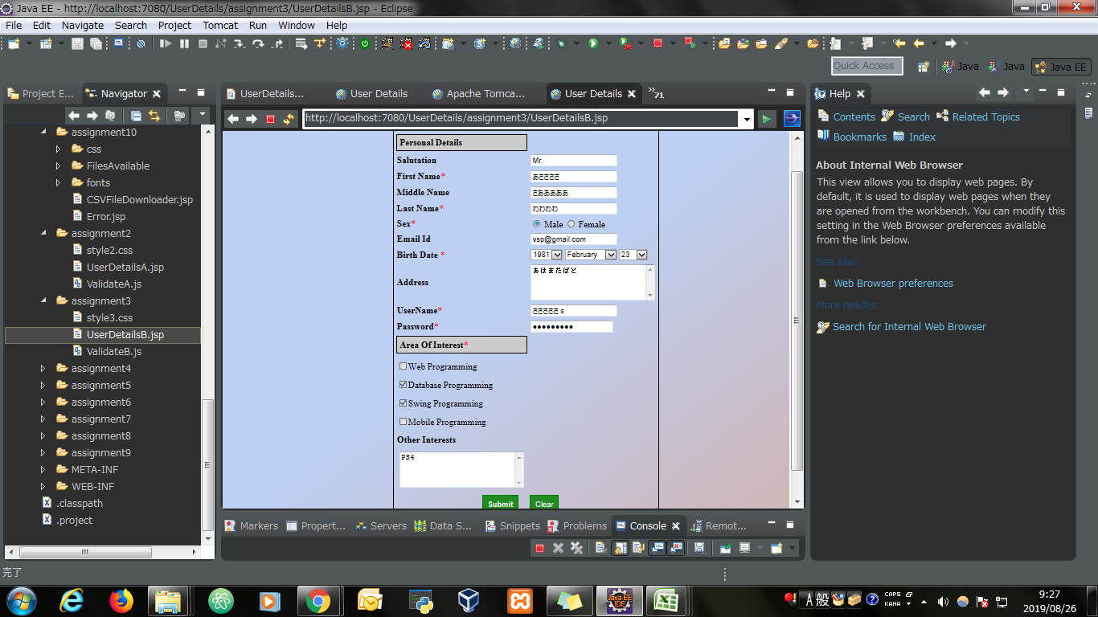
Input Screen

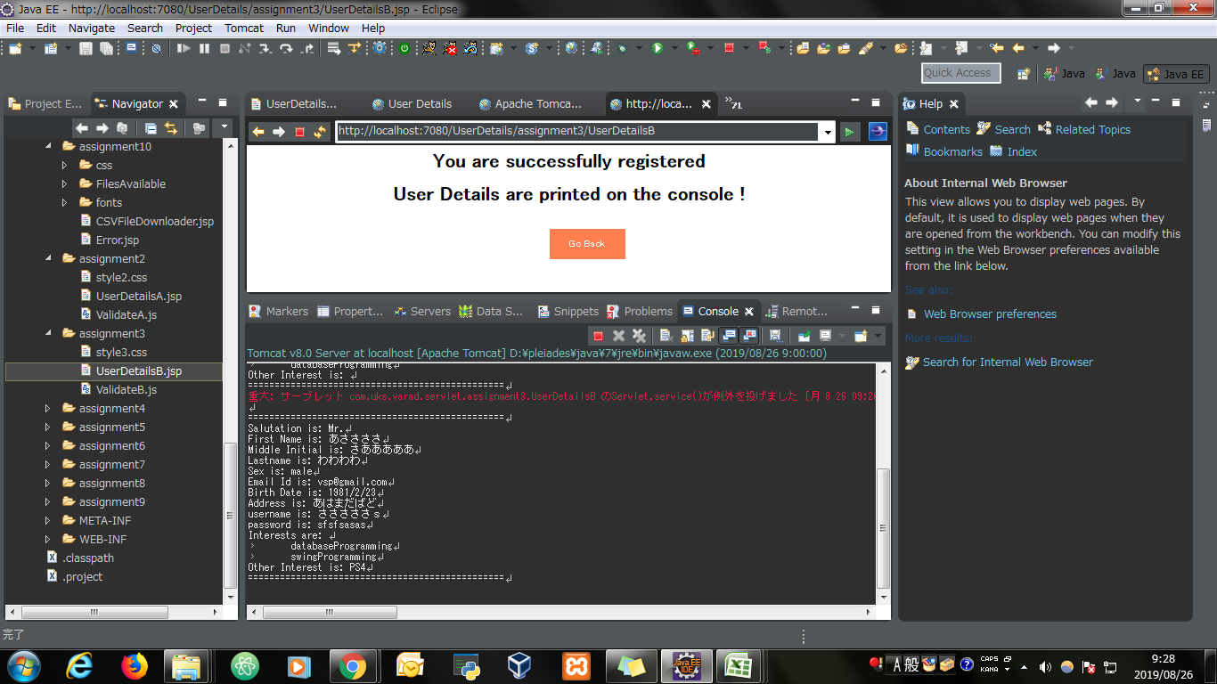
Output Screen

Evidence
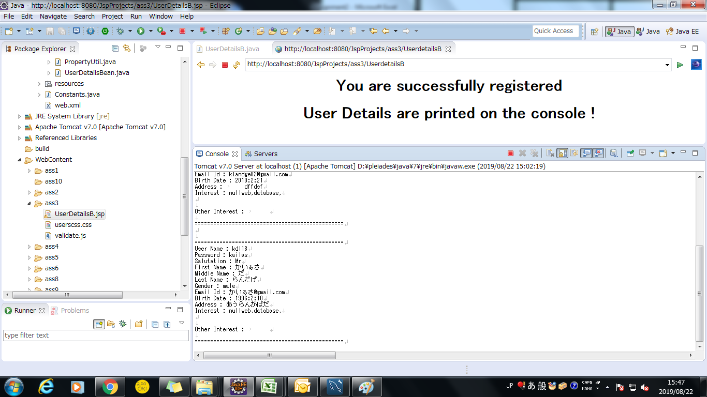
Screen shoot 1: | Page Load

Screen shoot 2: | Error Message

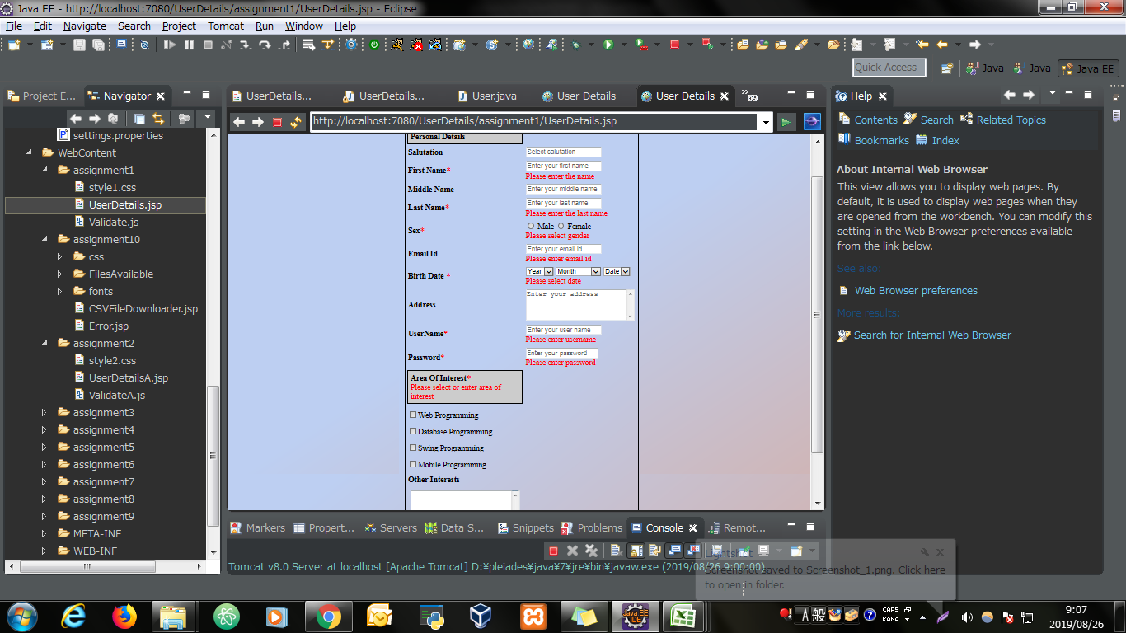

Screen shoot 3: | Successfully display data and save to database

